Sheet1
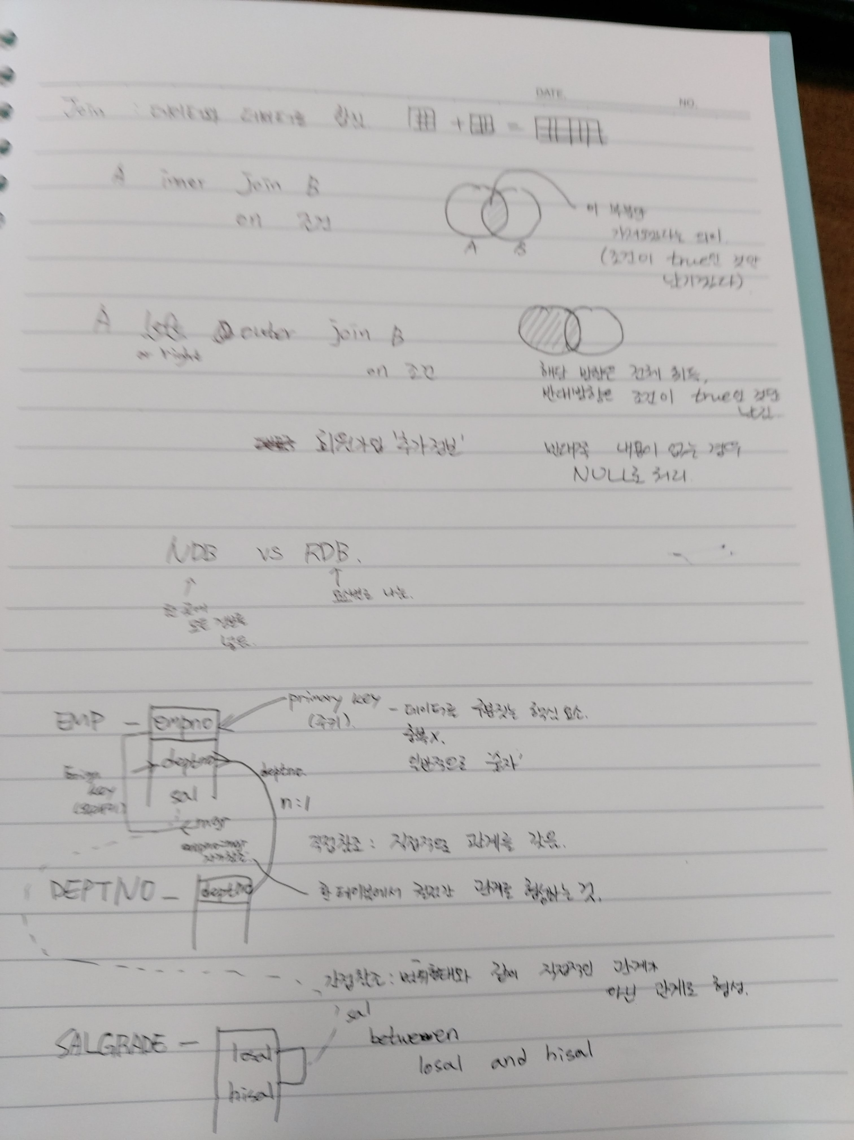
오라클
-- 직접 참조 -- INNER JOIN SELECT * FROM EMP E INNER JOIN DEPT D ON E.DEPTNO = D.DEPTNO ;
-- INNER JOIN SELECT E.ENAME, D.DNAME FROM EMP E INNER JOIN DEPT D ON E.DEPTNO = D.DEPTNO ;
-- LEFT OUTER JOIN -- 필수적인 데이터와 부가적인 데이터를 합쳐야 하는 경우 SELECT E.ENAME, D.DNAME FROM EMP E LEFT OUTER JOIN DEPT D ON E.DEPTNO = D.DEPTNO AND D.DEPTNO != 30 ;
-- NATURAL JOIN -- 성능적인 문제로 ANSI 기반 조인 이용 SELECT E.ENAME, D.DNAME FROM EMP E, DEPT D WHERE E.DEPTNO = D.DEPTNO ;
-- 간접 참조 SELECT * FROM EMP E INNER JOIN SALGRADE SG ON E.SAL BETWEEN SG.LOSAL AND SG.HISAL ;
-- 자가 참조 SELECT E1.ENAME, E1.MGR, E2.EMPNO, E2.ENAME FROM EMP E1 INNER JOIN EMP E2 ON E1.MGR = E2.EMPNO ; SELECT E1.ENAME, E1.MGR, E2.EMPNO, E2.ENAME FROM EMP E1 LEFT OUTER JOIN EMP E2 ON E1.MGR = E2.EMPNO ;
-- 급여등급이 2등급인 사원의 사원수를 구하시오. -- 주테이블의 데이터 처리 - WHERE / 보조테이블의 데이터 처리 - ON에서 처리 SELECT COUNT(GRADE) AS COUNT_EMPLOY FROM EMP E INNER JOIN SALGRADE SG ON E.SAL BETWEEN SG.LOSAL AND SG.HISAL AND SG.GRADE = 2 ;
-- 상관의 급여등급이 짝수인 부하직원들 중 급여가 3번째로 많은 사원을 찾으시오 -- 출력값 : 부하직원 이름, 부하직원 급여 SELECT ENAME,SAL FROM (SELECT E.ENAME, E.SAL, RANK() OVER(ORDER BY SAL DESC) AS RNK FROM EMP E INNER JOIN SALGRADE SG ON E.SAL BETWEEN SG.LOSAL AND SG.HISAL AND MOD(E.MGR, 2) = 0) WHERE RNK = 3 ; SELECT E.ENAME, E.SAL FROM (SELECT E1.ENAME, E1.SAL, RANK() OVER(ORDER BY E1.SAL DESC) AS RNK FROM EMP E1 INNER JOIN EMP E2 ON E1.MGR = E2.EMPNO INNER JOIN SALGRADE SG ON E2.SAL BETWEEN SG.LOSAL AND SG.HISAL AND MOD(SG.GRADE, 2) = 0) E WHERE E.RNK = 3 ;
-- 짝수 급여등급이 가장 많은 부서를 구하시오. -- 출력 : 부서번호, 부서명, 짝수급여등급 사원 수 SELECT DEPTNO, DNAME, CNT FROM(SELECT D.DEPTNO, D.DNAME, COUNT(*) AS CNT, RANK() OVER(ORDER BY COUNT(*) DESC) AS RNK FROM DEPT D INNER JOIN EMP E ON D.DEPTNO = E.DEPTNO INNER JOIN SALGRADE SG ON E.SAL BETWEEN SG.LOSAL AND SG.HISAL AND MOD(SG.GRADE, 2) = 0 GROUP BY D.DEPTNO, D.DNAME) WHERE RNK =1 ;
-- 급여등급이 홀수인 직원들중 급여가 1500이하인 직원들의 급여를 20%인상한 다음 급여 평균을 구하시오. -- 출력 : 평균 급여 SELECT AVG(UPSAL) FROM (SELECT E.ENAME, E.SAL, SG.GRADE, CASE WHEN MOD(SG.GRADE, 2) = 1 AND SAL <= 1500 THEN SAL * 1.2 ELSE SAL END UPSAL FROM EMP E INNER JOIN SALGRADE SG ON E.SAL BETWEEN SG.LOSAL AND SG.HISAL) ; SELECT AVG(CASE WHEN MOD(SG.GRADE, 2) = 1 AND E.SAL <= 1500 THEN E.SAL * 1.2 ELSE SAL END) AS AVG_SAL FROM EMP E INNER JOIN SALGRADE SG ON E.SAL BETWEEN SG.LOSAL AND SG.HISAL ; -- 급여등급이 홀수인 사람만 출력할 경우 -- WHERE MOD(GRADE, 2) = 1
-- 상관의 급여등급이 짝수인 부하직원들 중 급여가 3번째로 많은 사원을 찾으시오 -- 출력값 : 부하직원 이름, 부하직원 급여 SELECT ENAME,SAL FROM (SELECT E.ENAME, E.SAL, RANK() OVER(ORDER BY SAL DESC) AS RNK FROM EMP E INNER JOIN SALGRADE SG ON E.SAL BETWEEN SG.LOSAL AND SG.HISAL AND MOD(E.MGR, 2) = 0) WHERE RNK = 3 ; SELECT E.ENAME, E.SAL FROM (SELECT E1.ENAME, E1.SAL, RANK() OVER(ORDER BY E1.SAL DESC) AS RNK FROM EMP E1 INNER JOIN EMP E2 ON E1.MGR = E2.EMPNO INNER JOIN SALGRADE SG ON E2.SAL BETWEEN SG.LOSAL AND SG.HISAL AND MOD(SG.GRADE, 2) = 0) E WHERE E.RNK = 3 ;
-- 직업별 급여를 가장많이 받는 사람의 상사를 구하시오 -- 이름, 직업, 급여, 상사 SELECT ENAME, JOB, SAL, S_NAME FROM(SELECT ENAME, JOB, SAL, S_NAME, RANK() OVER(PARTITION BY JOB ORDER BY SAL DESC) AS RNK FROM (SELECT E1.EMPNO, E1.ENAME, E1.JOB, E1.SAL, E2.EMPNO AS S_EMPNO, E2.ENAME AS S_NAME FROM EMP E1 INNER JOIN EMP E2 ON E1.MGR = E2.EMPNO)) WHERE RNK = 1 ; SELECT ENAME, JOB, SAL, E.MGR_NAME FROM(SELECT E1.ENAME, E1.JOB, E1.SAL, E2.ENAME AS MGR_NAME, RANK() OVER(PARTITION BY E1.JOB ORDER BY E1.SAL DESC) AS RNK FROM EMP E1 INNER JOIN EMP E2 ON E1.MGR = E2.EMPNO) E WHERE E.RNK = 1 ;
-- DALLAS에서 근무하는 사람들 중 샐러리가 가장 높은사람과 그 사람의 매니저(MGR)가 누구인지 구하시오 -- 출력: MGR,MGR_NAME,ENAME,SAL SELECT MGR, S_NAME, ENAME, SAL FROM (SELECT E1.EMPNO, E1.MGR, E1.ENAME, E1.JOB, E1.SAL, E2.EMPNO AS S_EMPNO, E2.ENAME AS S_NAME, D.LOC, RANK() OVER(ORDER BY E1.SAL DESC) AS RNK FROM EMP E1 LEFT OUTER JOIN EMP E2 ON E1.MGR = E2.EMPNO INNER JOIN DEPT D ON E1.DEPTNO = D.DEPTNO AND LOC = 'DALLAS') WHERE RNK = 1 ; SELECT E1.MGR, E2.ENAME, E1.ENAME, E1.SAL FROM (SELECT E.ENAME, E.SAL, E.MGR, RANK() OVER(ORDER BY SAL DESC) AS RNK FROM EMP E INNER JOIN DEPT D ON E.DEPTNO = D.DEPTNO AND D.LOC = 'DALLAS') E1 INNER JOIN EMP E2 ON E1.MGR = E2.EMPNO WHERE RNK = 1 ;

